visualizacao
df = xl("'0303_grafico_de_barras_excel'!A1:J416", headers=True) df_atriz_ator = df[((df['category'] == 'Best Actress') | (df['category'] == 'Best Actor')) & (df['year_edition'] >= 2010 )].copy() # cria dataset apenas com categorias 'Best Actress' e 'Best Actor' das ganhadoras a partir de 2010 df_atriz_ator['idade'] = df_atriz_ator['year_edition'] - df_atriz_ator['birth_year'] # adiciona coluna com idade da ganhadora no ano da premiação df_atriz_ator

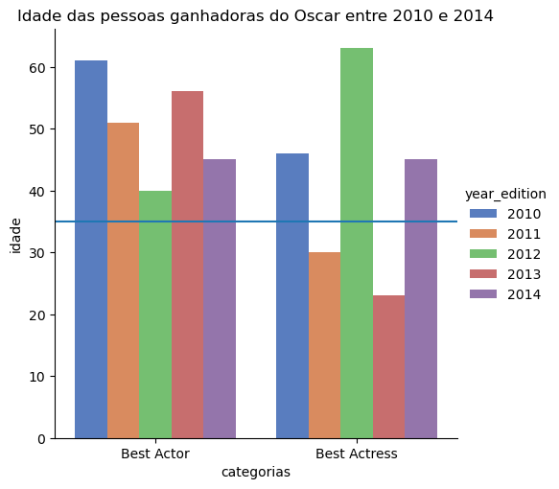
grafico = sns.catplot( data=df_atriz_ator, kind='bar', x='category', y='idade', hue='year_edition', palette='muted' ) plt.axhline(y=35) grafico.set_xlabels('categorias') plt.title('Idade das pessoas ganhadoras do Oscar entre 2010 e 2014')

